Sheet1
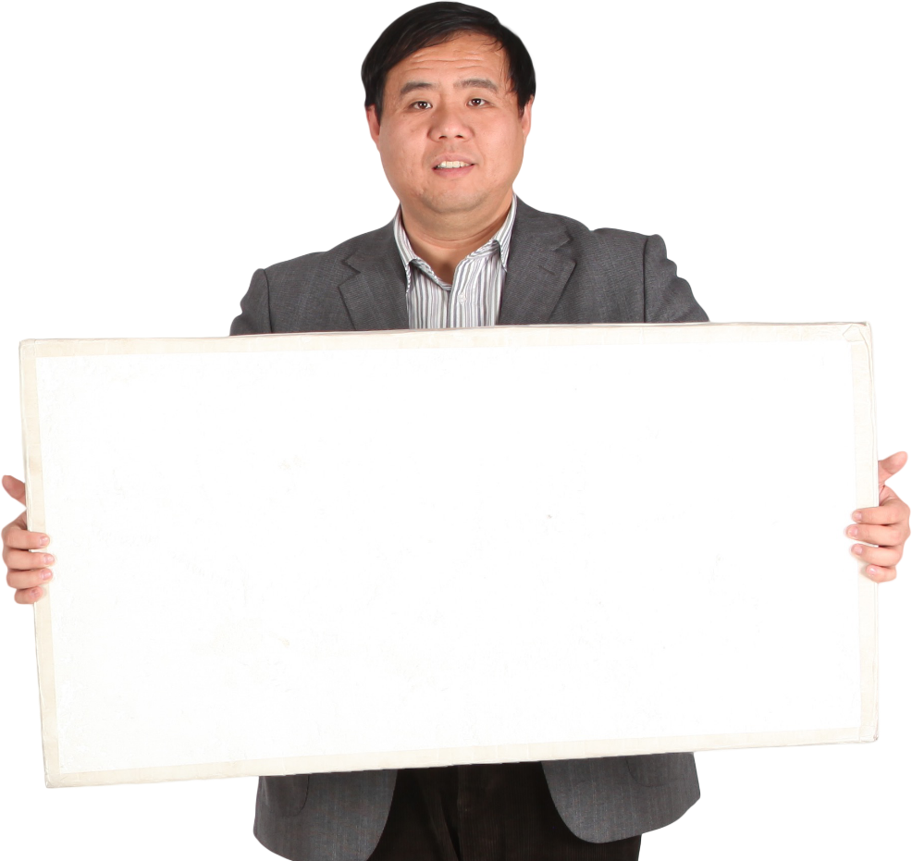
US Presidents | Answer Expected
George Washington | Martin Van Buren
John Adams | James Buchanan
Thomas Jefferson | Rutherford B. Hayes
James Madison | Benjamin Harrison
James Monroe | Lyndon B. Johnson
John Quincy Adams | George Bush
Andrew Jackson | Bill Clinton
Find the list of US Presidents where any word in the name start with B.
For example "Rutherford B. Hayes" where second word starts with B
Martin Van Buren | George W. Bush
William Henry Harrison | Barack Obama
John Tyler | Joe Biden
James K. Polk
Zachary Taylor
Millard Fillmore
Franklin Pierce
James Buchanan
Abraham Lincoln
Andrew Johnson
Ulysses S. Grant
Rutherford B. Hayes
James A. Garfield
Chester A. Arthur
Grover Cleveland
Benjamin Harrison
Grover Cleveland
William McKinley
Theodore Roosevelt
William Howard Taft
Woodrow Wilson
Warren G. Harding
Calvin Coolidge
Herbert Hoover
Franklin D. Roosevelt
Harry S. Truman
Dwight D. Eisenhower
John F. Kennedy
Lyndon B. Johnson
Richard M. Nixon
Gerald R. Ford
Jimmy Carter
Ronald Reagan
George Bush
Bill Clinton
George W. Bush
Barack Obama
Donald Trump
Joe Biden

